1. Title Page
[Grocery Basket Analysis]

Project Name: Instacart Grocery Basket Analysis
Date: 1/4/2024
Analyst Name: Meredith Flahan

Contents:
Population Flow
Consistency checks
Wrangling steps
Column derivations
Visualizations
Recommendations

Data Citation:
“The Instacart Online Grocery Shopping Dataset 2017”
Accessed from www.instacart.com/datasets/grocery-shopping-2017 via Kaggle.

2. Population Flow
Title page

Population flow

Exclusion flag
Condition: max_order < 5
Obervations to be removed: 1,440,295
Final total count of order_products_all: 30,964,564

Orders_products_combined
Orders_products_merged
Orders_products_all

Total: 32,404,859
Total: 32,434,484
Total: 32,404,859

1.) The grey boxes in the first row of the population flow represent the original data sets as they were when you downloaded them. In the Total fields you need to add the count of the rows when you imported the data set into Jupyter.
2.) The second row of boxes (coloured) represents the data sets after you manipulated them, e.g., removed missing values and duplicates. In the Total fields you need to add the count of the rows after conducting these operations. This offers a visual oveview of how the data flows throughout the data consistency checks.
3.) The third row, where also the arrows are coloured, represents the merges you performed between the datasets. In the Total fields you need to add the count of the rows in the merged datasets, so that you end up with the final dataset (in the red box). Keep in mind the final dataset should be without exclusions (based on the exclusion flag).

3. Consistency checks
 |  |  |  | Title page
Consistency checks

Dataset | Missing values | Missing values treatment | Duplicates
orders | 206209 days_since_prior_order | No treatment per value of missing values | None
products | 16 product_names | New dataframe without missing values | 5 full duplicates
orders_products_prior | None | N/A | None
customers | first names | No treatment per insignificance of values | None
ords_prods_merged | 5,127 records had unexplained outliers in the prices column | Values were replaced with NaN | None

4. Wrangling steps
 |  |  |  | Title page
Wrangling steps

Columns dropped | Columns renamed | Columns' type changed | Comment/Reason
 | Department IDs renamed as 'departments' |  | Departments df transposed from wide format to long format
Dropped eval_set from df_orders |  |  | Column was irrevelent to analysis
 | order_dow renamed orders_day_of_week |  | Clarification of meaning of column
 |  | order_id type changed from number to string | To exclude this column from descriptive statistics
 |  | user_id type changed from number to string | To exclude this column from descriptive statistics
 |  | Gender changed from object to category | To reduce memory use
 |  | fam_status changed from object to category | To reduce memory use
 |  | spender_flag changed from object to category | To reduce memory use
 |  | freq_flag changed from object to category | To reduce memory use
 |  | flag changed from object to category | To reduce memory use
 |  | Busiest day changed from object to category | To reduce memory use
 |  | Busiest days changed from object to category | To reduce memory use
 |  | busiest_period_of_day changed from object to category | To reduce memory use
 | Surnam renamed Last name |  | Clarification of meaning of column
 | n_dependents renamed number_dependents |  | Clarification of meaning of column
_merge |  |  | Column was irrevelent to analysis
First_name and Last_name |  |  | This is PII and was removed for privacy and securitiy

5. Column derivations
 |  |  |  | Title page

Column derivations and aggregations

In this tab you should add tables below that the frequences of flags/label variables that you produced after deriving them. NB: don't do this for continuous variables, only for flags.
Dataset | New column | Column/s it was derived from | Conditions
ords_prods_merge | price_range_loc | prices | less than or equal to $5, more than 5 and less than or equal to $15, and more than $15
ords_prods_merge | Busiest days | orders_day_of_week | Two days of most orders, two days of fewest orders, and remaining days as regular number of orders
ords_prods_merge | busiest period of day | orders_hour_of_day | Top 8 hours for most orders, middle 8 hours for average orders, and bottom 8 hours for fewest orders
ords_prods_merge | loyalty_flag | max_order | Loyal Customer: > 40 orders Regular Customer: <= 40 and > 10 orders New Customer: <= 10 orders
ords_prods_merge | spender_flag | avg_spend | Low Spender: <$10 per product
 | order_freq_flag |  | High Spender: >= $10 per product
ords_prods_merge | max_order | user_id/order_number | Max number of orders for each customer
ords_prods_merge | order_frequency | user_id/days_since_prior_order | Median days since prior order for each customer
ords_prods_merge | avg_spend | user_id/prices | Average price amount for products purchased by each customer
ords_prods_cust | Region | State | Midwest, Northeast, South, West
ords_prods_cust_active | age_range | Age | Young: 18-34 Middle-age: 35-64 Older: 65+
ords_prods_cust_active | income_range | income | Low: <$50,000 Low avg: $50,000-$100,000 High avg: $100,000-$150,000 High: $150,000+
ords_prods_cust_active | parental_status | number_dependants | Parent/Not parent
ords_prods_cust_active | order_totals | order_id/prices | Sum of prices of products included in each order

6. Visualizations
 |  |  |  |  |  |  |  | Title page

Visualizations

In this tab you should include all the visualtions from Exercises 4.9 and 4.10, alongside the questions from the project brief that they answer. Include any commentary on the relationship between different variables.

What are the busiest days of the week and hours of the day?

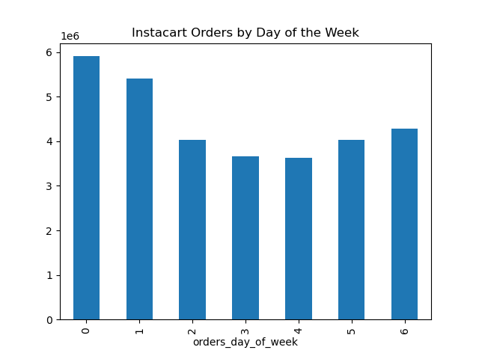

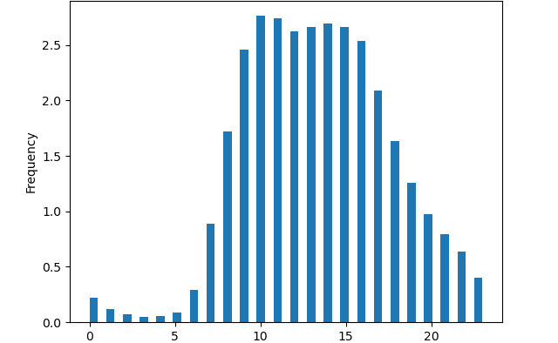
 |  |  |  |  |  |  |  |  | Instacart Orders by Hour of the Day
 |  |  |  |  | Day 0 signifies Saturday. Most orders are made on Saturday (19%) and Sunday (17%) as shown by columns 0 and 1. |  |  |  |  |  |  |  | Hours are measured in military time with 0 signifying midnight. Most orders are place from 9:00am to 5:00pm.

 |  |  |  |  |  |  |  |  |  | Hours of the Day (Military Time)

What times of day do people spend the most money?
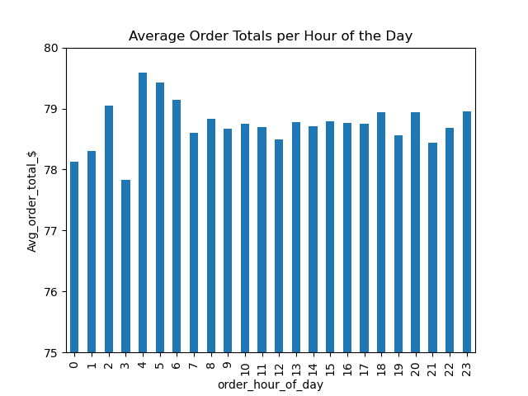

 |  |  |  |  | The average amount spent per order stays steady across each hour of the day at $78. The hour of the day does not appear to impact how much customers spend per order.

How could Instacart have simpler price tag groupings?

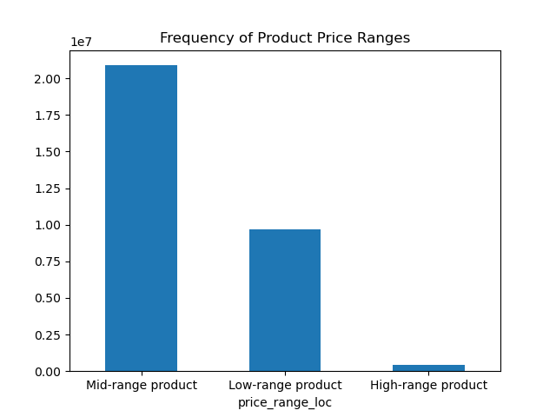

 |  |  |  |  | Items priced $15 and less are purchased at much a much higher frequency than higher priced products. Price tag groupings could be categorized as <= $5, > $5 and <= $15, and >$15 for increased simplicity. |  |  |  |  |  |  |  |  | These are the frequencies of items purchased according to their prices range: Low range: < $5 Mid range: >= $5 and < $15 High range: > $15

Which departments have the highest frequency of product orders?
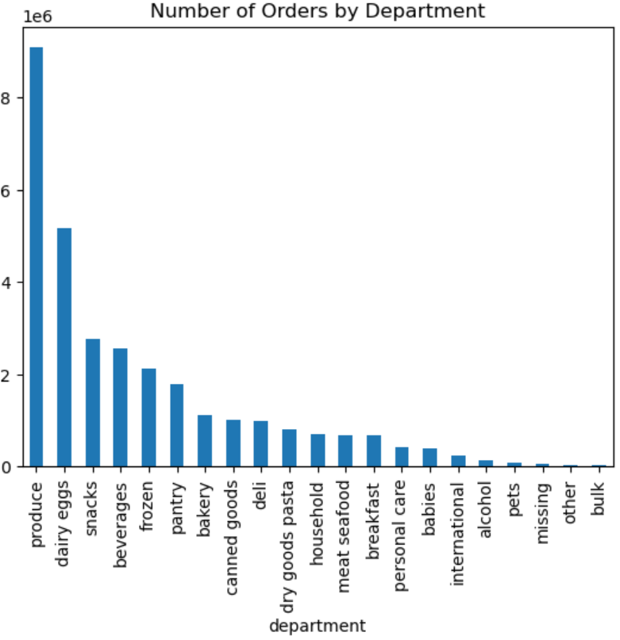

 |  |  |  |  | The "produce" department sells the most products (29%) followed by "dairy eggs," and "snacks." Food items sell more frequently than other goods.

What is the distribution among users in regards to their brand loyalty? And, how often do they return to Instacart?

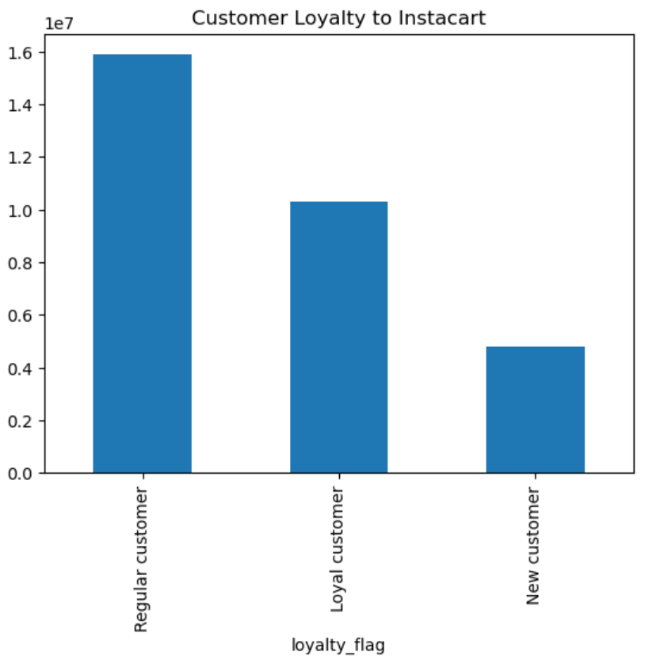
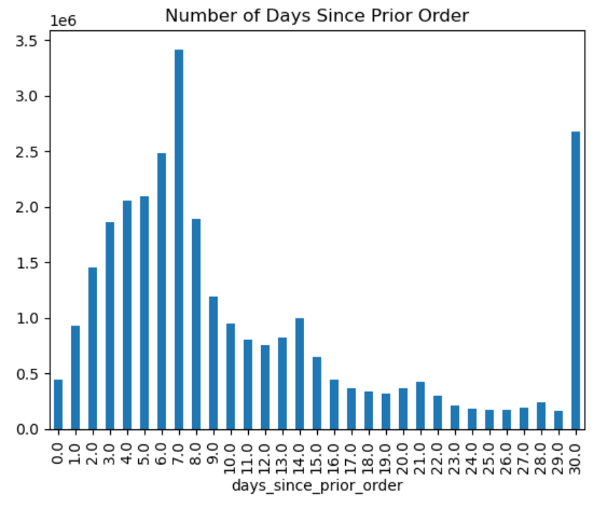

 |  |  |  |  | Customer loyalty is defined as : Loyal Customer: > 40 orders a year Regular Customer: <= 40 and > 10 orders New Customer: <= 10 orders Regular customers account for 51%. |  |  |  |  |  |  |  |  | Most customers return to make another order with Instacart in 8 days and at 30 days. Since the data caps at 30 days, are those waiting more than 30 days between orders being grouped with the 30th day data?

Are there differences in ordering habits based on a customer's loyalty status?

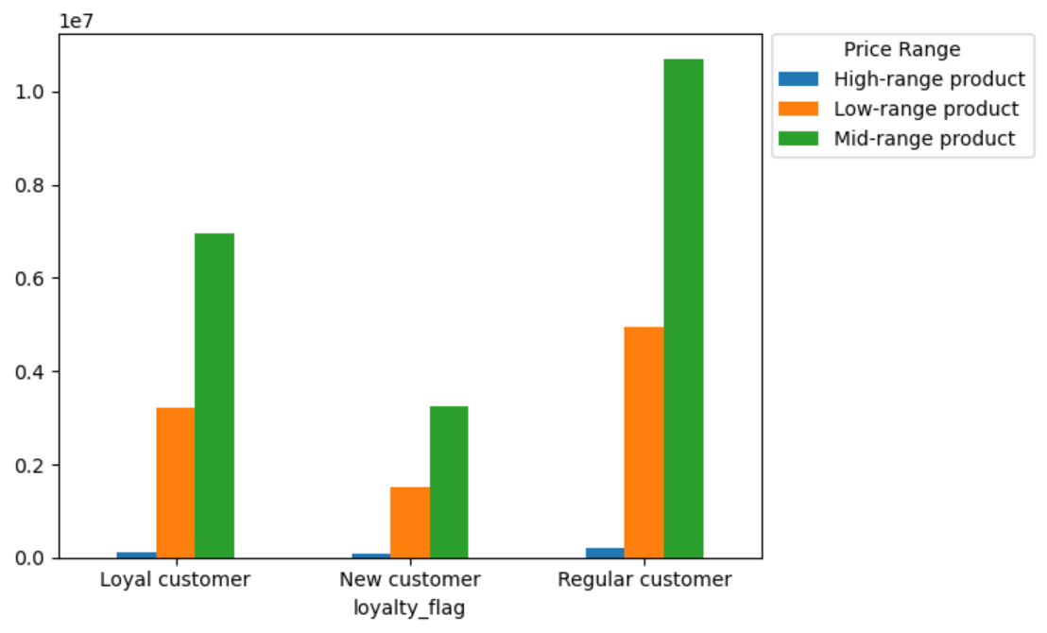
 | Customer Loyalty based on Region of US |  |  |  |  |  |  |  | Customer Loyalty per Price Range of Products
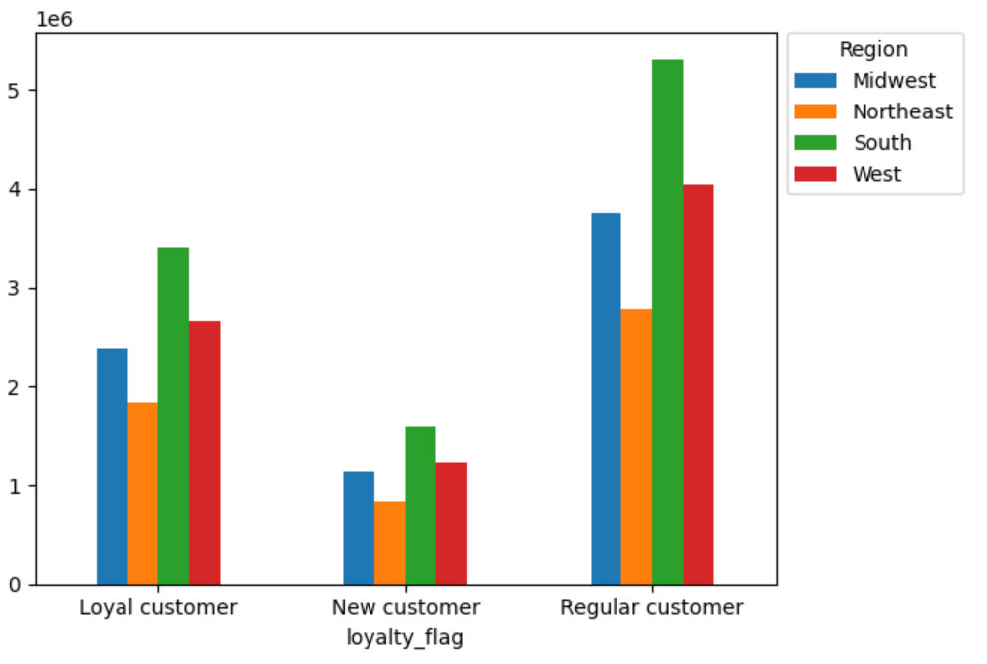
 |  |  |  |  | Customers are distrubuted across regions of the US uniformly when categorized by brand loyalty. Region does not appear to affect customer loyalty to Instacart. |  |  |  |  |  |  |  |  |  | Price range of purchased products is not affect by customer loyalty to Instacart. Mid-ranged products are most popular across all customers.

Are there differences in ordering habits based on a customer's region?

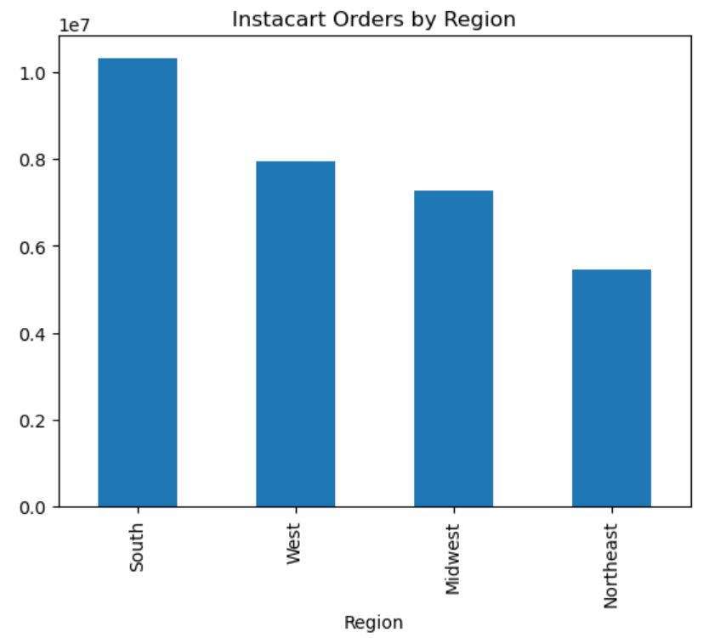
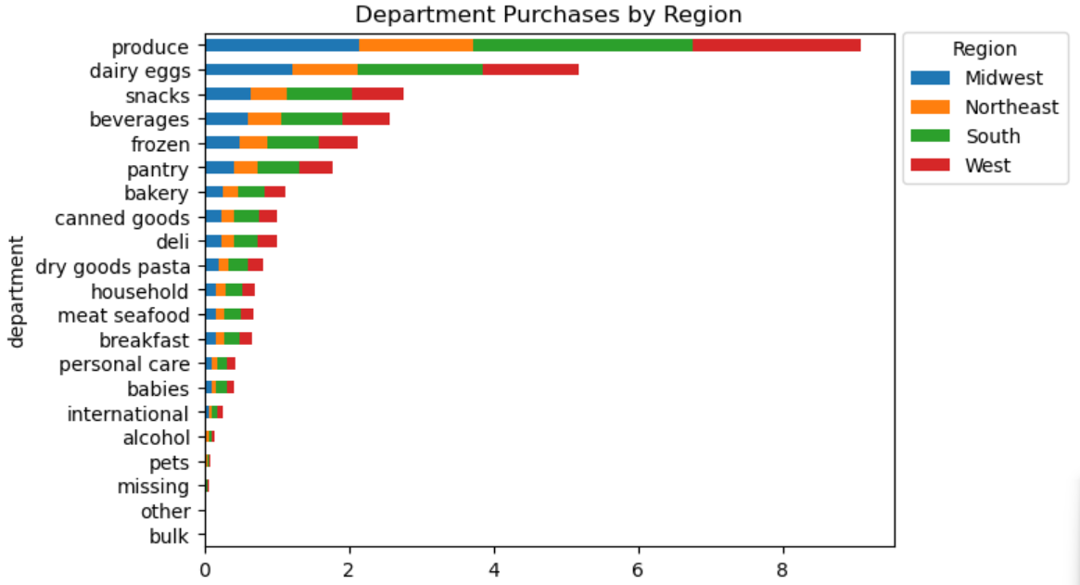
 |  |  | Most orders are placed in the South (33%) followed by the West, Midwest, and Northeast but when normalized against their populations, differences between regions are not significant.
 |  |  |  |  |  |  |  |  |  |  |  |  |  | Proportions between regions for each department are very similar suggesting that region does not have an impact on department orders.

 |  | Order Frequency by Region |  |  |  |  |  | Customer Spending based on Region
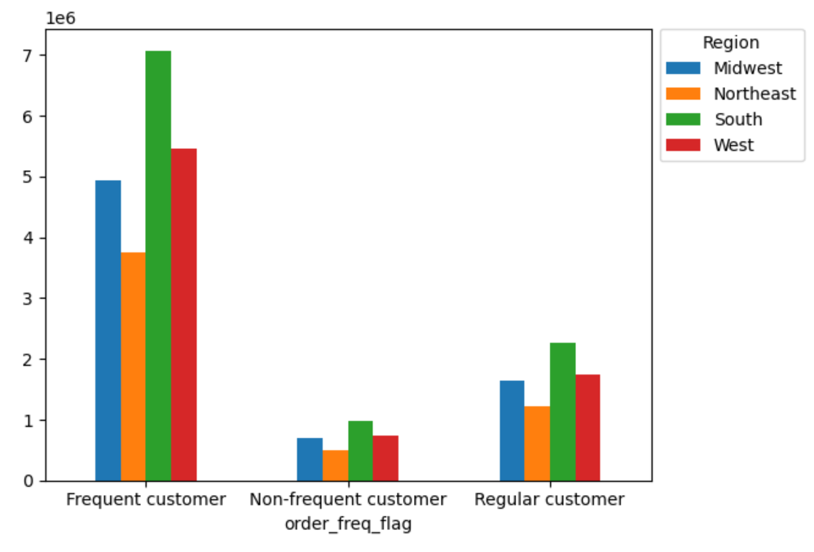
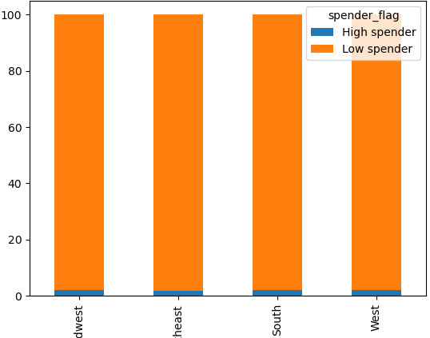
 |  |  |  | Proportions between regions based on customer tyle are very similar suggesting that region does not have an impact on customer order frequency. |  |  |  |  |  |  | Region does not have an impact on customers' decisions to purchase high or low priced items.

Is there a connection between age and family status in terms of ordering habits?

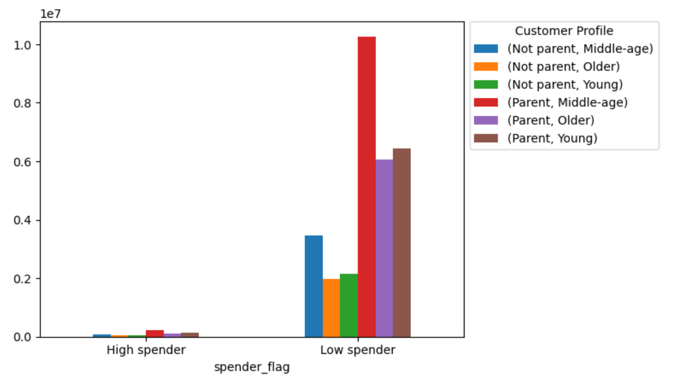
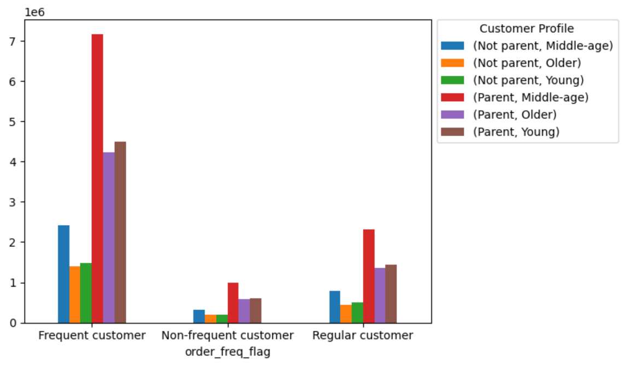
 |  | Purchasing Decision based on Age and Parental Status |  |  |  |  |  |  |  | Order Frequency based on Age and Parental Status
 |  |  |  |  |  |  |  |  |  |  |  |  |  |  | The shape of these results highly resemble the previous chart. It supports the impact of parents on orders, especially middle-aged parents.
 |  |  |  |  |  | Middle-aged parents (ages 35-64) comprise a large proportion of customers who buy items priced less than $10. This is an important demographic to Instacart.

What different classifications does the demographic information suggest?

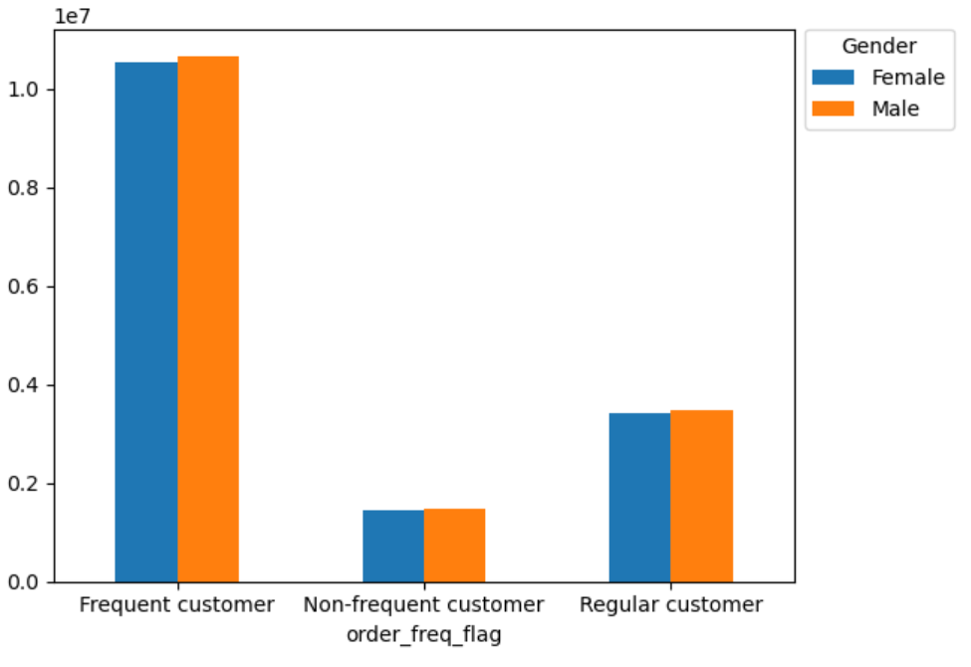
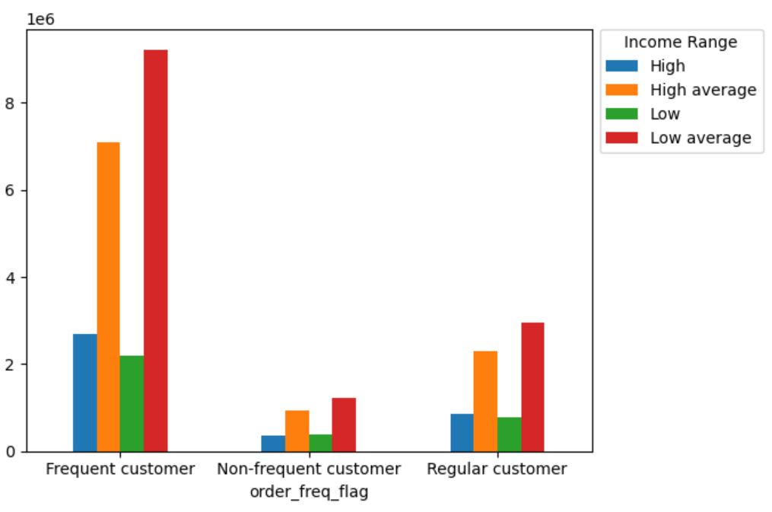
 | Gender's Impact on Instacart Orders |  |  |  |  | Impact of Customers' Income on Instacart Orders

 |  |  |  |  |  |  |  |  |  |  | Customer demographics suggest that customers can be classifed by parental status, income, age, and family status. While gender has no affect, parents, people with low-average income, middle-aged people, and married peope are consistently highly represented in these analyses. The marketing team should consider these classifications for marketing strategy.

 | Impact of Parental Status on Instacart Orders |  |  |  |  | Impact of Age on Instacart Orders |  |  |  |  |  | Impact of Family Status on Instacart Orders
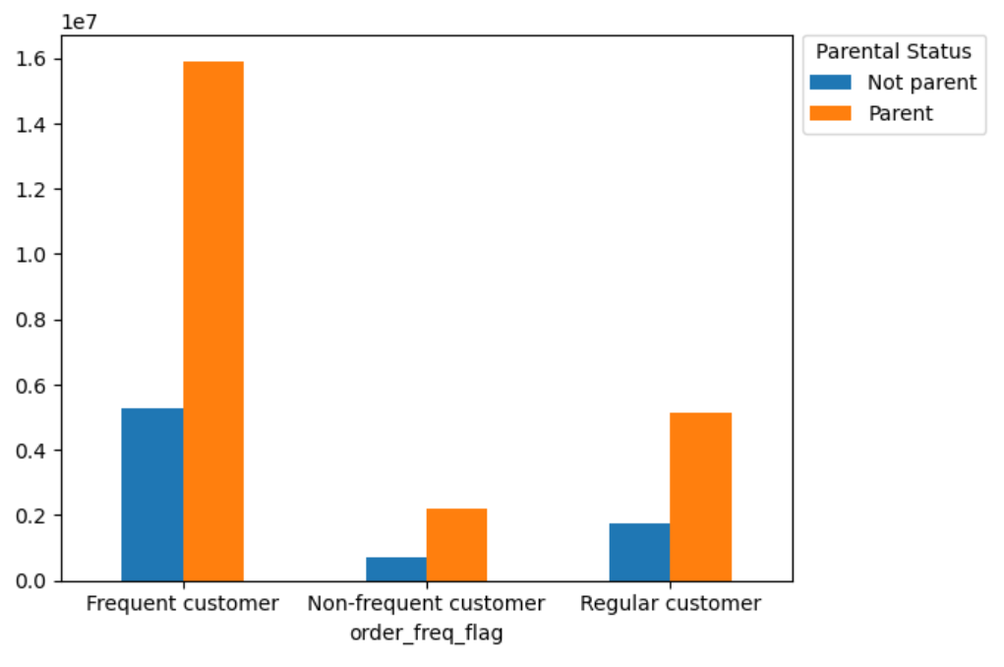
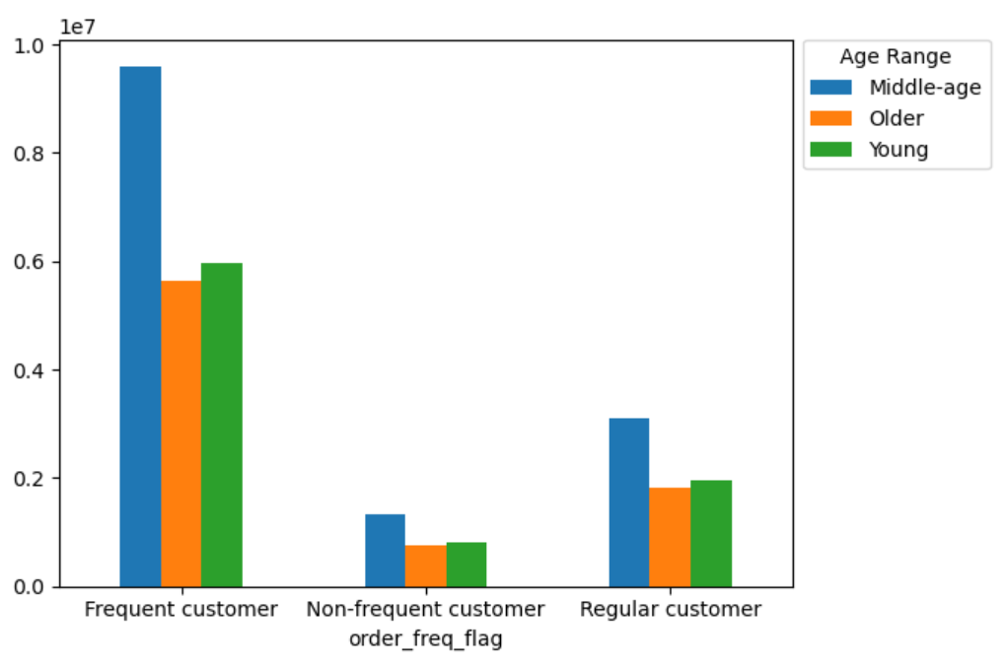
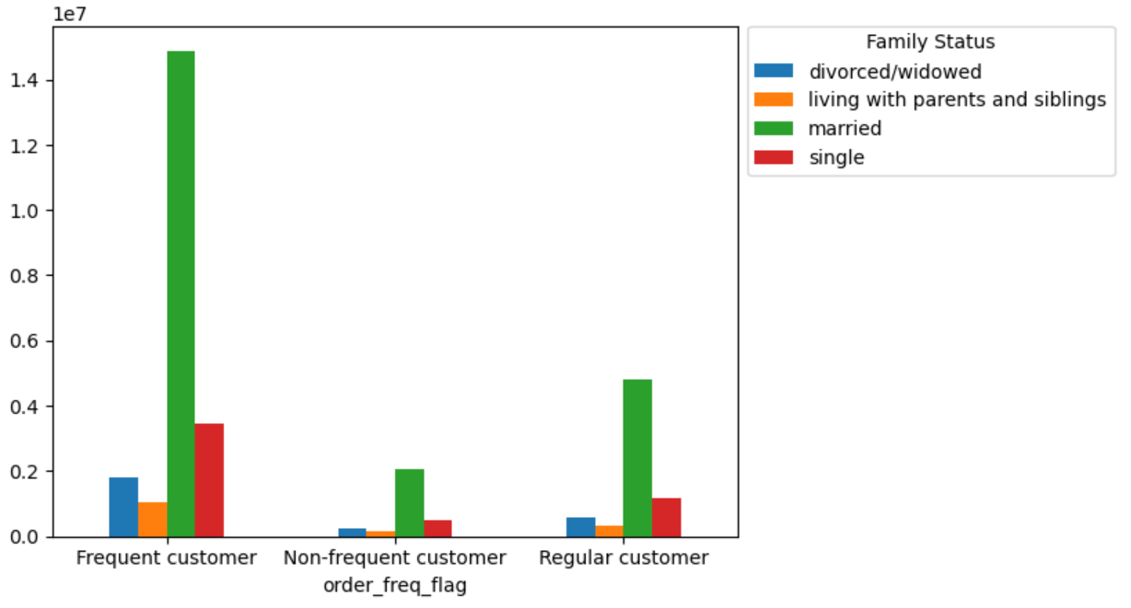

What differences can you find in ordering habits of different customer profiles?
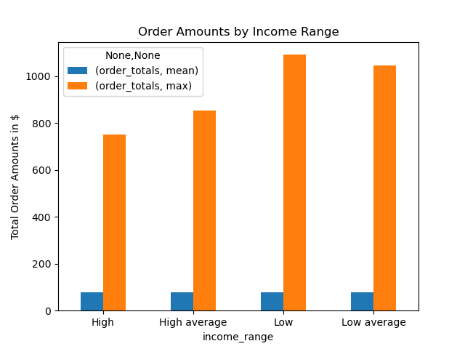

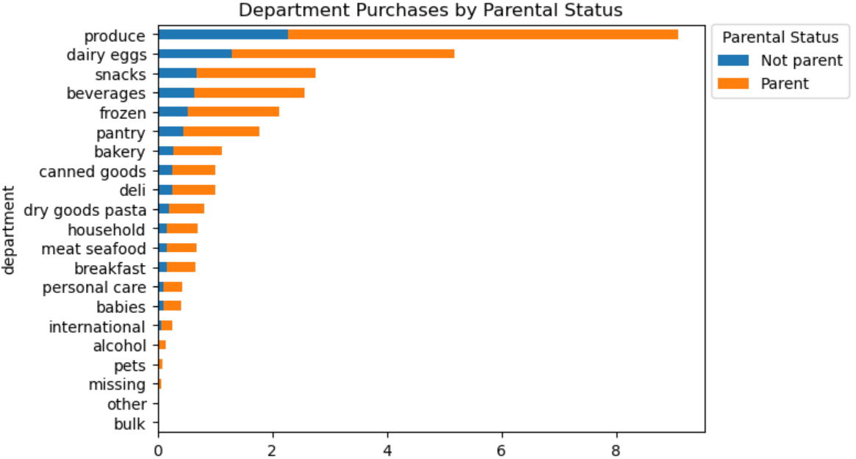

 |  |  |  |  |  |  | Parents order ~300% more than non-parents consistently across departments. |  |  |  |  |  |  |  | People of low income (< $50,000) claim the biggest order by dollars, but average order amount across all incomes is $78.

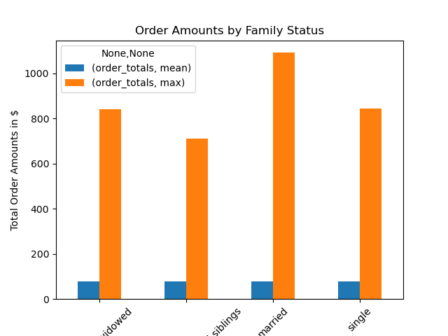
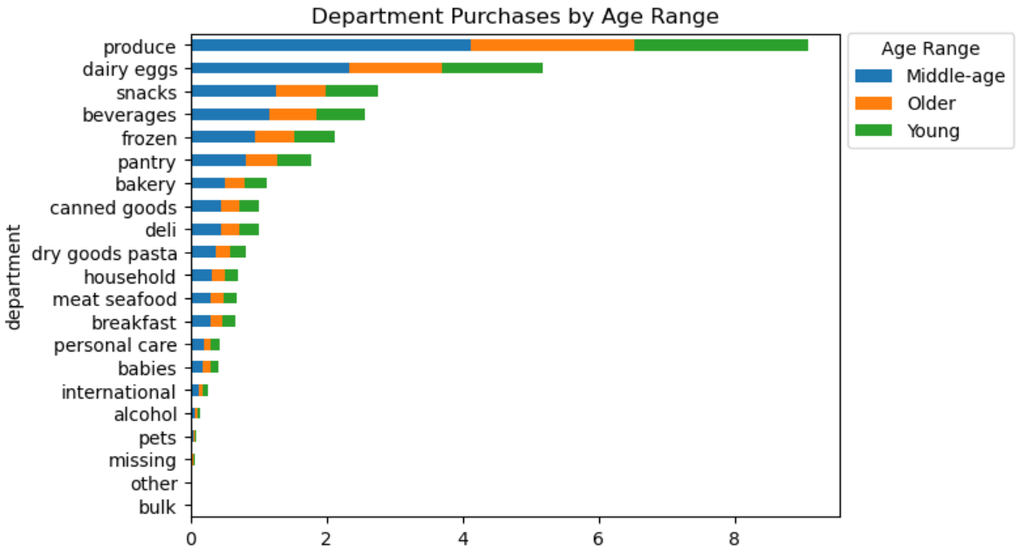

 |  |  |  |  |  |  | Middle-aged people order ~170% more than older people and ~160% more than young people. These patterns are consistent across departments. |  |  |  |  |  |  |  | Married people placed the biggest orders in dollars, but the average order amount across different family statuses is $78.

7. Recommendations
 |  | Title page

Recommendations

Question | Answer

What are the busiest days of the week and hours of the day? | • The busiest days of the week with the most orders are Saturdays and Sundays. • The busiest hours of the day with the most orders are between the hours of 9 a.m. and 5 p.m. with the highest peak between 10 a.m. and 12 p.m. • I suggest timing more ads on Friday evenings and Saturday mornings as people are planning their grocery needs for the week. • Morning ads throughout the week may encourage more afternoon ordering.

What times of day do people spend the most money? | • People spend the same average amount of money per order for any hour of the day. This average is $78.
 | • While the number of orders made vary greatly by hour of the day, people generally spend the same amount of money per order no matter what time it is. This may be due to people utilizing saved orders or recent order functions that promote consistency in orders. • I recommend promoting higher priced items when displaying saved or recent orders on the app and website to encourage customers to select a quick add-on when finalizing their order. • I also suggest recommending products that correspond with holidays and special events, such as alcohol, snacks, and appetizers prior to New Year's Eve and the Super Bowl. These packaged foods are often higher in price.

How could Instacart have simpler price tag groupings? | • Customers demonstrate a large preference for items that cost $15 or less. • I suggest price groupings of less than $5, $5 up to $15, and $15 and higher. • Mid-range products between $5 - $15 comprise 67% of orders. • Sales drop off significantly past $15, so I recommend focused marketing efforts on products that fall on the higher end of this mid-range price grouping, or $10 - $15, for highest impact on revenue.

Which departments have the highest frequency of product orders? | • The top 5 departments for order frequency are: * produce (9,079,273 orders, or 29% of all orders) * dairy/eggs (5,177,182 orders) * snacks (2,766,406 orders) * beverages (2,571,901 orders) * frozen (2,121,731 orders) • Produce has the highest orders by a significant amount with dairy/eggs following with about half the number of orders. After those first two, the other departments descend in orders much more gradually. • Knowing that customers mostly want produce and dairy/egg products, the availability of these products should be emphasized in our advertising.

What is the distribution among users in regards to their brand loyalty? And, how often do they return to Instacart? | • We have around 10.3 million loyal customers (>40 orders), around 15.9 million regular customers (<=40 & >10 orders), and around 6.2 million new customers (<10 orders). • Regular customers make up 51% of total customers, loyoal customers make up 33%, and new customers make up 15%. • The largest number of customers are ordering every 8 days. There is another large spike of days between orders at 30 days. • The data showing the number of days since a prior order caps at 30 days. his spike at 30 days may be due to customers who wait longer than 30 days being captured in the 30 days category. • I recommend targeting advertising to our customers who have waited over 8 days since their last order because the number of reorders drops quickly at that point. Also, we should consider advertising loyalty incentives to those who are regularly ordering once a week, such as reward points, discounts, and coupons.

Are there differences in ordering habits based on a customer's loyalty status? | • Loyal customers (>40 orders) order most often, but regular customers (<=40 & >10 orders) represent 51% of all customers. The ordering habits of regular customers have a large impact on Instacart's sales.
 | • Regular customers outnumber loyal and new customers in all regions of the country with the proportion of these customer types remaining consistent across regions. This suggests that regions are not affected by customer loyalty. • Regular customers are responsible for purchasing the most low, mid, and high-priced products, with a clear preference for mid-priced items. However, since the proportion between customer types remain very similar across all products, the difference is likely due to the higher number of regular customers rather than their ordering habits specifically. • I recommend marketing focus on customers of a regular loyalty status due to their high number. As mentioned before, an incentive program may encouraged more frequent orders, reclassifying regular customers as loyal customers. Further investigation into how brand loyalty is classified is warranted to see if more insights arise when loyalty classification is shifted.

Are there differences in ordering habits based on a customer's region? | • Most customers are located within the south since it houses the largest population. • When looking at normalized data by region, there are not any significant differences in department orders between regions. Orders by department, order frequency, and customer spending are not significantly impacted by region. Because of this, marketing strategies do not need to customize by region.

Is there a connection between age and family status in terms of ordering habits? | • Parents, middle-aged, people, and married people are highly represented in all analyses of ordering habits, though this does not mean that ordering habits are influenced by age, parental status, and family status. The distribution of these classifications are comparable against department orders, order frequency, and spending habits, suggesting that they do not have a causal relationship. • It is valuable to know the demographics of the customers to appeal to the lifestyles that apply to the majority of customers. • I recommed marketing efforts that appeal to busy parents and middle-aged people since they make up a large percentage of the customer base.

What different classifications does the demographic information suggest? | • For this analysis, profiles are based on age range, income level, and whether or not a customer has dependents.
 | • Analysis focused on order frequency because this has the largest impact on Instacart revenue since average amount spent on orders is steady. • Parents and married people are much more frequent customers compared to non-parents and other family status. • Middle-aged people make up the largest portion of frequent customers. • A low-average income ($50,000 - $100,000) is the highest represented income level followed by high-average ($100,000 - $150,000). • Gender and Region are not significant classification factors.

What differences can you find in ordering habits of different customer profiles? | • Parents place ~300% more orders than non-parents in all departments. Since the distribution of orders remain consistent across all departments, the parental status should not be exclusively used to explain this difference. • Middle-aged people place ~170% more orders than older people and ~160% more than younger people. • People with average incomes are represented in the data more than low or high incomes with everyone spread evenly across US regions. • I recommend further analysis into other factors that may impact on ordering habits, as they may not have been covered here. Perhaps those working outside of the home vs those who do not or rural vs urban living play a role. • I would also be interested in customer surveys on why they order through Instacart. • Overall, from this analysis, marketing efforts should focus on parents, middle-aged people, those with low-averages incomes, and married people since they make up the majority of the customer base.

